IR HW1 MUKUND MURRALI
 | SECTION 1

Query 1 | Craig Knoblock Viterbi

 | Google Results | Relevance score | Observation/Conclusions | Bing Results | Relevance score | Observation/Conclusions
Result 1 | https://viterbi.usc.edu/directory/faculty/Knoblock/Craig | 1 | Faculty's home page | https://viterbi.usc.edu/directory/faculty/Knoblock/Craig | 1 | Faculty's home page

Result 2 | https://spatial.usc.edu/team-view/craig-a-knoblock/ | 1 | Faculty's home page | http://usc-isi-i2.github.io/knoblock/ | 0.75 | Faculty's home page in isi.edu

Result 3 | http://usc-isi-i2.github.io/knoblock/ | 0.75 | Faculty's home page in isi.edu | https://viterbi.usc.edu/news/news/2007/isi-s-craig.htm | 0.25 | Page with little information about the faculty

Result 4 | https://www.isi.edu/about/bio/craig_knoblock/ | 0.75 | Faculty's home page in isi.edu | https://magazine.viterbi.usc.edu/fall-2018/features/coping-with-ai-anxiety/ | 0 | Page does not contain any information about the faculty. It is only a magazine which has his name mentioned

Result 5 | https://scholar.google.com/citations?user=onXXy6MAAAAJ&hl=en | 0.25 | Page with little information about the faculty | https://viterbischool.usc.edu/news/2018/01/two-isi-division-directors-named-acm-fellows-transformative-contributions-technology/ | 0.25 | Page with little information about the faculty

Query 2 | Ellis Horowitz Viterbi

 | Google Results | Relevance score | Observation/Conclusions | Bing Results | Relevance score | Observation/Conclusions
Result 1 | https://viterbi.usc.edu/directory/faculty/Horowitz/Ellis | 1 | Faculty's home page | https://viterbi.usc.edu/directory/faculty/Horowitz/Ellis | 1 | Faculty's home page

Result 2 | https://en.wikipedia.org/wiki/Ellis_Horowitz | 0.5 | External website that contains information about the faculty | http://www-bcf.usc.edu/~horowitz/ | 1 | Faculty's home page

Result 3 | http://www.ratemyprofessors.com/ShowRatings.jsp?tid=1263746 | 0.25 | Rate my professor for the faculty | http://www.ellishorowitz.com/ | 0.5 | Home page of the faculty that is not hosted at usc.edu or isi.edu

Result 4 | https://www.linkedin.com/in/ellis-horowitz-55b989139 | 0.5 | External website that contains information about the faculty | https://viterbi.usc.edu/news/news/2008/horowitz-named-interim.htm | 0.25 | Page with only a little information about the faculty

Result 5 | https://dblp.uni-trier.de/pers/hd/h/Horowitz:Ellis | 0.25 | Page with only a little information about the faculty | https://en.wikipedia.org/wiki/Ellis_Horowitz | 0.5 | External website that contains information about the faculty

Query 3 | USC Viterbi Computer Science

 | Google Results | Relevance score | Observation/Conclusions | Bing Results | Relevance score | Observation/Conclusions
Result 1 | https://www.cs.usc.edu/ | 1 | Dept home page | https://www.cs.usc.edu/ | 1 | Dept home page

Result 2 | https://viterbigradadmission.usc.edu/programs/masters/msprograms/computer-science/ | 0 | Page that is neither internal to USC Viterbi Computer Science nor home page | https://viterbiexeced.usc.edu/engineering-program-areas/computer-science/ | 0 | Page that is neither internal to USC Viterbi Computer Science nor home page

Result 3 | https://viterbigradadmission.usc.edu/programs/masters/msprograms/computer-science/ms-cs-scientists-engineers/ | 0 | Page that is neither internal to USC Viterbi Computer Science nor home page | https://viterbigradadmission.usc.edu/programs/masters/msprograms/computer-science/ | 0 | Page that is neither internal to USC Viterbi Computer Science nor home page

Result 4 | https://online.usc.edu/programs/computer-science-ms/ | 0 | Page that is neither internal to USC Viterbi Computer Science nor home page | https://viterbigradadmission.usc.edu/programs/masters/msprograms/computer-science/ms-computer-science/ | 0 | Page that is neither internal to USC Viterbi Computer Science nor home page

Result 5 | https://www.quora.com/How-is-the-USC-Viterbi-School-of-Engineering-for-computer-science-undergraduates | 0 | Page that is neither internal to USC Viterbi Computer Science nor home page | http://viterbiadmission.usc.edu/cs/ | 0 | Page that is neither internal to USC Viterbi Computer Science nor home page

Query 4 | Viterbi USC map

 | Google Results | Relevance Score | Observation/Conclusions | Bing Results | Relevance score | Observation/Conclusions
Result 1 | http://viterbiundergrad.usc.edu/ | 1 | Page contains map and provides the school location | https://www.bing.com/images/search?q=viterbi+usc+map&qpvt=Viterbi+USC+map&FORM=IGRE | 1 | Bing images showing school location

Result 2 | https://viterbischool.usc.edu/visiting/ | 1 | Page contains map and provides the school location | https://viterbischool.usc.edu/ | 1 | Page contains map and provides the school location

Result 3 | https://commencement.usc.edu/academic-school-ceremonies/viterbi/ | 0.5 | Page contains map and provides the school location but the map also provides other locations | https://www.cs.usc.edu/directions/ | 0 | Page contains map but does not provide the school location

Result 4 | https://web-app.usc.edu/maps/ | 0 | Page contains map but does not provide the school location | https://viterbi.usc.edu/about/engineeringplus/map/ | 0 | Page does not provide the school location

Result 5 | https://viterbischool.usc.edu/ | 1 | Page contains map and provides the school location | https://viterbischool.usc.edu/engineering-plus/ | 1 | Page contains map and provides the school location

Query 5 | Andrew Viterbi USC

 | Google Results | Relevance Score | Observation/Conclusions | Bing Results | Relevance score | Observation/Conclusions
Result 1 | https://viterbischool.usc.edu/about-andrew-viterbi/ | 1 | Page that describes the founder | https://viterbischool.usc.edu/about-andrew-viterbi/ | 1 | Page that describes the founder

Result 2 | https://minghsiehee.usc.edu/about/lectures/distinguished-lecturer-series/andrew-viterbi/ | 0 | Page that has no information about the founder | https://news.usc.edu/16163/he-s-got-algorithm/ | 0.5 | Page contains some information about the founder

Result 3 | https://viterbi.usc.edu/directory/faculty/Viterbi/Andrew | 1 | Page that describes the founder | https://viterbi.usc.edu/ | 0 | Page contains no information about the founder

Result 4 | https://viterbischool.usc.edu/news/2017/12/andrew-viterbi-ming-hsieh-named-2017-nai-fellows/ | 0 | Though the page mentions the founder, it does not describe the founder or the history of the school | https://en.wikipedia.org/wiki/USC_Viterbi_School_of_Engineering | 0.5 | Page contains history of the school and mentions the founder

Result 5 | https://en.wikipedia.org/wiki/Andrew_Viterbi | 1 | Page that describes the founder | https://en.wikipedia.org/wiki/Viterbi | 1 | Page that describes the founder

Query 6 | USC school of engineering computer science undergraduate degree requirements

 | Google Results | Relevance Score | Observation/Conclusions | Bing Results | Relevance score | Observation/Conclusions
Result 1 | https://www.cs.usc.edu/academic-programs/undergrad/ | 0.5 | Page contains link to actual requirements | https://www.cs.usc.edu/academic-programs/undergrad/ | 0.5 | Page contains link to actual requirements

Result 2 | http://catalogue.usc.edu/preview_program.php?catoid=6&poid=5594 | 0 | Archived catalogue page that does not contain the relevant degree's requirements | https://www.cs.usc.edu/academic-programs/undergrad/computer-engineering-and-computer-science/ | 0 | Page that does not contain the relevant degree's requirements

Result 3 | https://www.cs.usc.edu/academic-programs/undergrad/computer-science/ | 1 | Page contains the actual requirements | http://ee.usc.edu/info/studentresources/EE_Catalogue.html | 0 | Archived catalogue page that does not contain the relevant degree's requirements

Result 4 | http://catalogue.usc.edu/preview_program.php?catoid=2&poid=1486 | 0.5 | Archived catalogue page that contains requirements | https://viterbischool.usc.edu/admission/ | 0 | Page that contains application requirements but not the degree's requirements

Result 5 | https://www.cs.usc.edu/academic-programs/undergrad/computer-science-business-administration/ | 0 | Page that does not contain the relevant degree's requirements | http://catalogue.usc.edu/content.php?catoid=8&navoid=2157 | 0 | Archived catalogue page that does not contain the relevant degree's requirements

 | SECTION 2

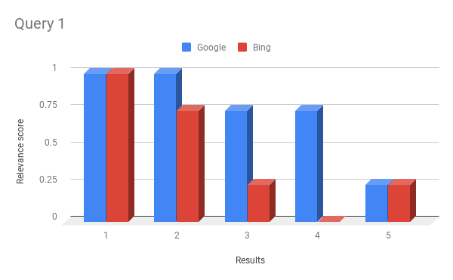
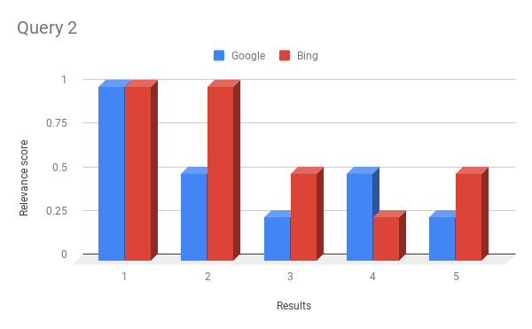
2.1

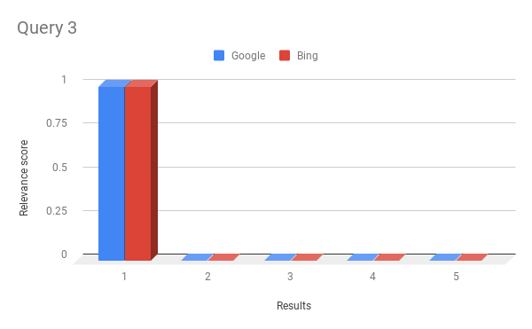
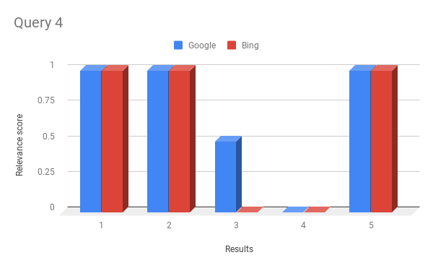

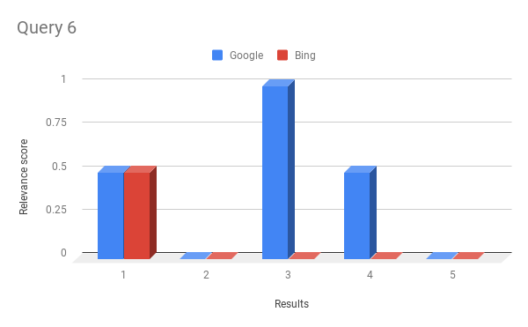
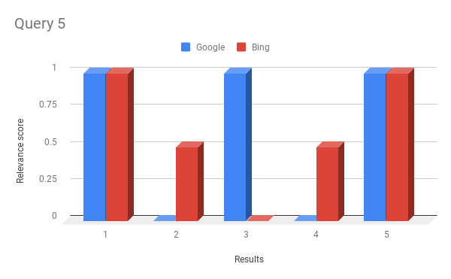

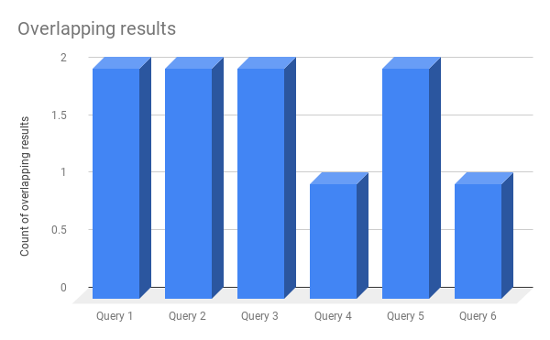
2.2

2.3 | Computation of DCG
 |  | Query results | Google relevance score | Bing relevance score | Google Computation | Bing Computation
 |  | 1 | 1 | 1 | 1 | 1
 |  | 2 | 1 | 0.75 | 0.63092975357 | 0.47319731518
 | QUERY 1 | 3 | 0.75 | 0.25 | 0.375 | 0.125
 |  | 4 | 0.75 | 0 | 0.32300741856 | 0
 |  | 5 | 0.25 | 0.25 | 0.096713201809 | 0.096713201809
 |  | DCG |  |  | 2.4256503739 | 1.694910517

 |  |  | Google relevance score | Bing relevance score | Google Computation | Bing Computation
 |  | 1 | 1 | 1 | 1 | 1
 |  | 2 | 0.5 | 1 | 0.31546487679 | 0.63092975357
 | QUERY 2 | 3 | 0.25 | 0.5 | 0.125 | 0.25
 |  | 4 | 0.5 | 0.25 | 0.21533827904 | 0.10766913952
 |  | 5 | 0.25 | 0.5 | 0.096713201809 | 0.19342640362
 |  | DCG |  |  | 1.7525163576 | 2.1820252967

 |  |  | Google relevance score | Bing relevance score | Google Computation | Bing Computation
 |  | 1 | 1 | 1 | 1 | 1
 |  | 2 | 0 | 0 | 0 | 0
 | QUERY 3 | 3 | 0 | 0 | 0 | 0
 |  | 4 | 0 | 0 | 0 | 0
 |  | 5 | 0 | 0 | 0 | 0
 |  | DCG |  |  | 1 | 1

 |  |  | Google relevance score | Bing relevance score | Google Computation | Bing Computation
 |  | 1 | 1 | 1 | 1 | 1
 |  | 2 | 1 | 1 | 0.63092975357 | 0.63092975357
 | QUERY 4 | 3 | 0.5 | 0 | 0.25 | 0
 |  | 4 | 0 | 0 | 0 | 0
 |  | 5 | 1 | 1 | 0.38685280723 | 0.38685280723
 |  | DCG |  |  | 2.2677825608 | 2.0177825608

 |  |  | Google relevance score | Bing relevance score | Google Computation | Bing Computation
 |  | 1 | 1 | 1 | 1 | 1
 |  | 2 | 0 | 0.5 | 0 | 0.31546487679
 | QUERY 5 | 3 | 1 | 0 | 0.5 | 0
 |  | 4 | 0 | 0.5 | 0 | 0.21533827904
 |  | 5 | 1 | 1 | 0.38685280723 | 0.38685280723
 |  | DCG |  |  | 1.8868528072 | 1.9176559631

 |  |  | Google relevance score | Bing relevance score | Google Computation | Bing Computation
 |  | 1 | 0.5 | 0.5 | 0.5 | 0.5
 |  | 2 | 0 | 0 | 0 | 0
 | QUERY 6 | 3 | 1 | 0 | 0.5 | 0
 |  | 4 | 0.5 | 0 | 0.21533827904 | 0
 |  | 5 | 0 | 0 | 0 | 0
 |  | DCG |  |  | 1.215338279 | 0.5

 |  |  |  |  | Google | Bing
 |  |  |  | Final DCG | 10.548140379 | 9.3123743376

 | Which search engine performs better?

 | Based on the Discounted Cumulative Gains and relevance score of top 5 results of both the search engines, Google performs more better search as compared to Bing.

